Instructions
Log in to BMO OLBB and go to Administration > Audit Reports

Before generating the Simple User List for IT, click on the "Users" field and click the box at the top right to select all to ensure the list is complete.

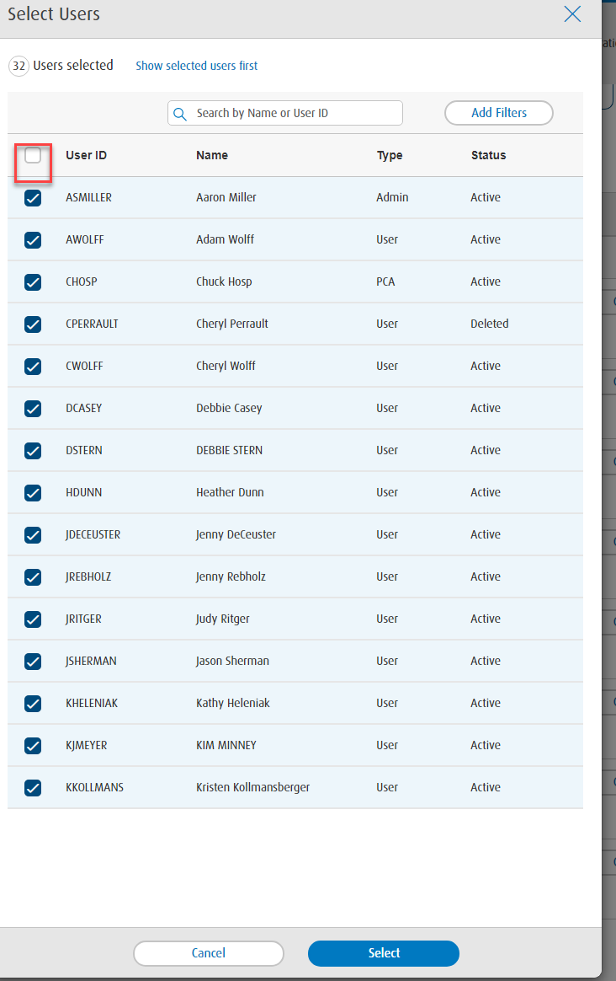

Select "Current day" from the Date Range drop down, and click generate. Open the file that pops up at the bottom left of screen.
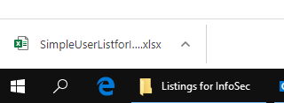

Take screenshot of "deleted" users for future reference:

Remove "Deleted" Users from the "Value" column of the "Simple User List for IT" report, and copy remaining data onto "Current Users" tab of this workbook.
Columns B and C on the "Current Users" tab must be manually added for "User Name" and "Email Address" respectively.
For the "User Detail Report", similar to above, first click on the "users" field to ensure a complete report is run, select "current day" from "date range" drop down, and click "generate"
Select "export" at the top right of the report that generates.

Remove the "Deleted" users per the "simple User List for IT" from the screenshot above, and move User Detail Report into this workbook.
Filter on service column and remove profile
Insert columns B through D on User Detail Report. Vlookup Name, email address, first name, and last name from Current User tab.
Create pivot table containing - email address, user name, service, entitlement on "BMO Users" tab.
When complete, send this workbook to Jason Reis monthly.

